Guidance
 |  | Collision Reduction Calculator - Guidance

Before using the tool, make sure you have the following information:
A site
Road type of the site
Number of collisions at the site over the last (at least) 3 years
Cost of road safety measures of interest
Standard cost of collisions (value of prevention) by severity
 | What is this tool?

 |  | This tool was built by TRL for Transport Infrastructure Ireland (TII) and is used for estimating the impact of different packages of road safety measures on collisions on the TII operated national road network.

 | Who is this tool for?

 |  | The tool can be used by any road safety practitioners that want to estimate the collision changes from implementing road safety measures on the national road network.

 | What does the tool do?

 |  | The tool allows the user to select multiple road safety measures and assess their impact on collisions and the resulting first year rate of return (FYRR). Road safety measures are filtered according to the road type selected:
 |  | Motorway, Dual carriageway, Single carriageway, Legacy road.
 |  | Legacy roads are roads that may have evolved from historic routes that are often constrained by physical or environmental conditions i.e. they may not conform to current design standards. Once the user has chosen a road safety measure, the tool estimates the resulting change in collisions for the four different collision severities:
 |  | Fatal, Serious, Slight, Damage Only.
 |  | By inputting the cost of the individual road safety measure(s), cost of each collision severity type, and number of collisions at the site, the user can calculate the FYRR for that set of road safety measures.

 | Where does the data come from?

 |  | The data on estimated collision changes comes from two sources:
 |  | 1. Accident prediction models (APMs) for the TII road network
 |  | Irish accident prediction models were developed by TRL in 2023. The statistically significant collision modification factors (CMFs) were added to this tool and are categorised as " Irish APM CMF". An Irish APM was developed for each of the four road types, to predict the impact of different variables on collision risk.
 |  | 2. CMF Clearinghouse
 |  | CMF Clearinghouse is a database of collision modification factors (CMFs) for different road safety measures, taken from studies across the world. CMFs are another way of representing collision changes (see glossary below). For more information on CMF Clearinghouse:
 |  | Visit the website here
 |  | *Not all the CMFs from Clearinghouse are used in the tool. The CMFs have been filtered to remove certain results, either due to the quality of the study or the CMF not being applicable to Irish roads. When the user selects a road safety measure, the predicted change in the number of collisions is presented as an average of the changes across several studies in the Clearinghouse database (if multiple estimates exist).
 |  | 3. What if I want to use a CMF from another database?
 |  | Users can add road safety measures within this tool using the 'User Added Road Safety Measures' tab. Measures added will only be available in your locally saved copy and are not shared.
 |  | Road safety measures from the APMs are clearly labelled in the tool with ‘[Irish APM CMF]’. Road safety measures added by the users are labelled ‘[User Added]’ All other road safety measures are from CMF Clearinghouse and are labelled ‘[CH]’.
 |  | Will this tool have the most recent CMF Clearinghouse data?
 |  | This excel workbook tool has a data connection to the Clearinghouse website. To get the most up to date Clearinghouse data you can refresh this data connection. To do this:
 |  | 1. Click 'Refresh All' in the ribbon above.
 |  | 2. This will run a background query to refresh the data (you can see this at the bottom of the screen). When this query has finished running you will be able to see the most up to date road safety measures in the 'Available Road Safety Measures' and 'Calculator' tabs.
 | Troubleshooting while refreshing
 |  | 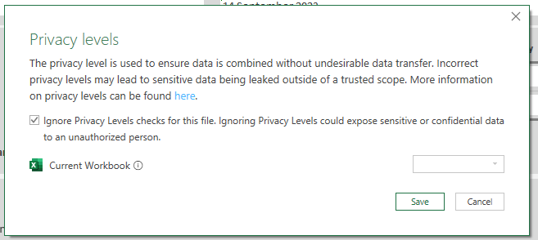 While the refresh is happening you may see a privacy warning. You should click the ignore privacy option and then the Save button.
 |  | 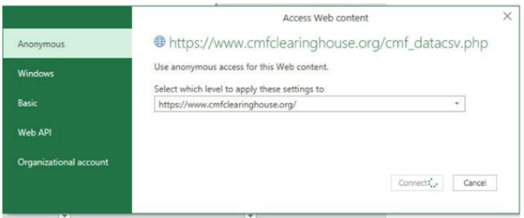 If the following dialogue box shows, the correct option is "Anonymous" and you should apply that to "http//www.cmfclearinghouse.org/". The only external connection in this workbook is to the Clearinghouse which is freely available data that doesn't require a login.
 |  |  If the following dialogue box shows, you can select "OK". The only external connection in this workbook is to the Clearinghouse which is freely available data that doesn't require a login.
 |  | Clearinghouse road safety measures last updated in this tool : |  |  | 12/11/2025

 |  | Irish APM CMF road safety measures last updated in this tool : |  |  | 2023-08-18

 | How does the tool estimate the combined collision changes for multiple road safety measures?

 |  | The combined collision change is estimated using standard methods that aim to account for overlap in the collisions targeted by the road safety measures. These methods are presented in the ‘Calculations with CMFs’ tab of the tool. For example, a lot of speeding related collisions may also involve going off-road. Therefore, a road safety measure aiming to reduce speeds may target collisions also targeted by a road safety measure preventing vehicles from going off-road.

 | How to use this tool?

 |  | The main tab to use in the tool is the ‘Calculator’ tab. Instructions on how to use this tab are given in the section below. The cells coloured white are for user inputs. Calculated figures will appear in the grey cells. The ‘Calculations with CMFs’ tab shows some of the calculations behind the changes presented in the ‘Calculator’ tab. It also presents an upper and lower bound for the collision change estimates, for those that want to access this. More detail is given in this tab. The ‘Available Road Safety Measures’ tab lists all the road safety measures that are built into the tool. You can search for particular road safety measures in here and filter down by category. If you want to add your own collision change percentages for road safety measures that are not listed, use the ‘User Added Road Safety Measures’ tab. Instructions are provided in the tab. You must be careful to follow these properly to avoid erroneous results.

 | What this tool does not do?

 |  | The tool provides an estimation of collision changes based on the best evidence available from studies across the world and reported in the CMF Clearinghouse. Local knowledge is also essential in assessing the potential impacts of road safety measures at a site and the feasibility of implementing different road safety measures. The tool does not estimate the impact of road safety measures by collision type (for example, ‘rear-end shunt’ or ‘run-off road’ collisions). CMFs in the tool consider all collision types only. This tool was designed for TII for national roads and as a result estimates may not be accurate for other road categories i.e. local and regional roads. This tool is designed to work on Excel 365/2019 and later versions. Other versions of Excel may not be able to run this tool.

 | Who to contact if you have any issues?

 |  | If you have any issues with this tool please contact : |  | infosafety@tii.ie

Instructions for using 'Calculator' sheet

 |  | Before beginning a calculation, ensure the tool is reset by clearing the contents of all white cells in the 'Calculator' tab.

 | Scheme Details

 |  | Select the road type for the site from the dropdown menu. Only the road types listed are suitable for use within the tool. Once the road type has been selected, only road safety measures applicable for that road type will be available for selection

 | Collision Numbers

 |  | Enter the number of collisions at the site by severity, and the number of years they represent. It is recommended to use at least 3 years of data if possible to avoid biased estimates. The tool will then calculate the average annual number of collisions prevented by severity. This is then used to calculate the estimated change in annual collisions.

 | Collision Costs

 |  | 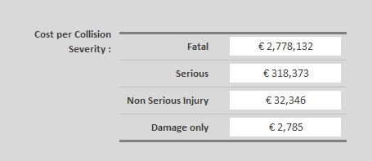 Enter the recognised cost (value of prevention) of each collision severity. Please refer to the latest Department of Transport estimates. As an example, the figures below are taken from Table 13 of the document 'Transport Appraisal Framework - Appraisal Guidelines for Capital Investments in Transport, Module 8 - Detailed Guidance on Appraisal Parameters' published in June 2023. If you are unsure about the collision costs to use, please contact TII.

 | Road Safety Measures

 |  | Select the road safety measures using the dropdown menu. Selecting a category will filter the available road safety measures. Up to 10 road safety measures can be selected at an individual site. Once selected, estimated collision changes for each road safety measure will be shown by severity. The estimated changes by severity may be different if studies in the databases reported estimates for different severities. An overall estimated change for that set of road safety measures will also be shown.

 | Costs to Implement

 |  | Either enter the total cost to implement all road safety measures or enter the cost of implementing each road safety measure, in Euros. If you enter a total cost, then this will override any individual road safety measure costs. if you are entering individual costs then you must enter a cost for every road safety measure selected.
 |  | Costs need to be entered in euros. | 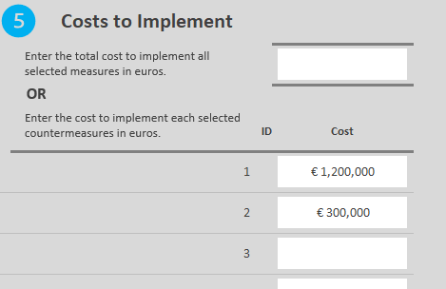

 | Results

 |  | In the Results box you will see the estimated change in collision numbers based on the selected road safety measures.
 |  | When all the other sections are completed, the FYRR will appear in this section, calculated using the total cost and first year benefits.

 | Output

 |  | When complete, you can export a copy of your calculations using the print to PDF function in excel. Click the 'File' menu, then 'Print'.
 |  | 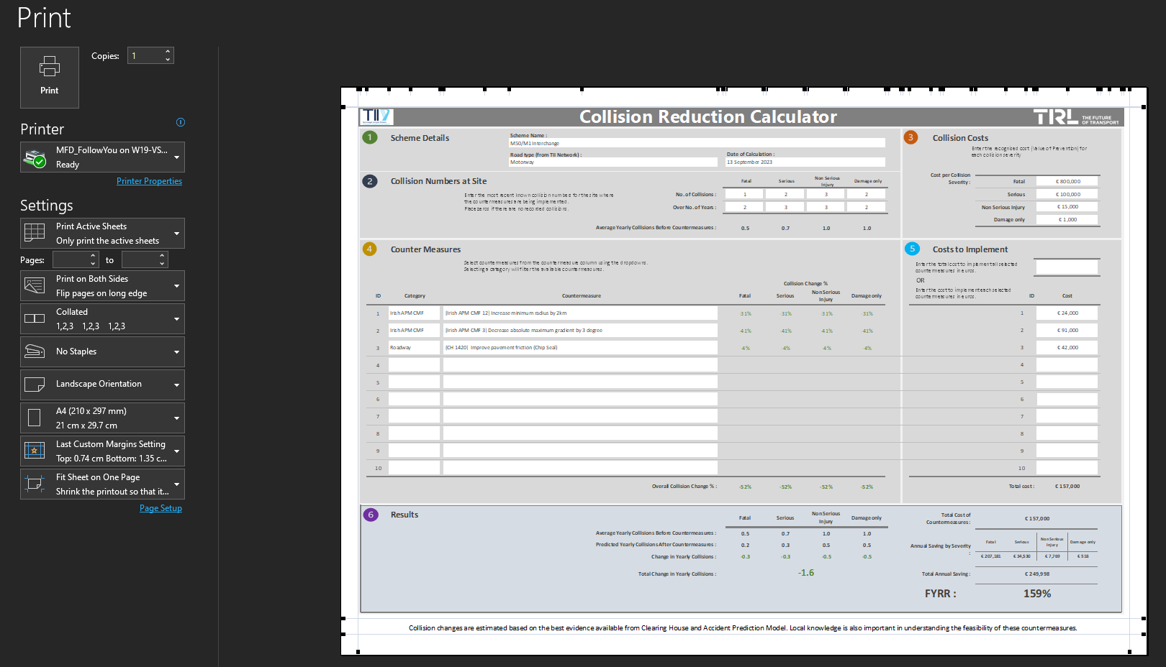
Glossary

 |  | National road network | The national road network in Ireland is made up of primary and secondary routes and is 5,306km long. It is made up of motorways, dual carriageways, and single carriageway roads (non-legacy and legacy).
 |  | Road safety measure | An intervention to try to reduce the number of collisions on the road. This could be related to, for example, a change in road infrastructure or a new policy.
 |  | Collision change percentage | The estimated percentage change in collisions. A negative percentage indicates a decrease in collisions. For example, 5% indicates a 5% increase in collisions and –10% indicates a 10% decrease in collisions.
 |  | Collision modification factor (CMF) | A different way of representing the change in collisions. CMF = 1 + (collision change %/100). Example: a collision change % of -10% equates to a CMF of 0.9.
 |  |  | CMFs are only used in this tool in the ‘Calculations with CMFs’ tab.
 |  | Accident prediction model | A statistical model used for estimating the impact of different variables on collisions.
 |  | CMF Clearinghouse | A regularly updated online repository of CMFs taken from studies from around the world.
 |  | Collision severity | The severity of a collision is given by the most severe injury sustained in the collision. There are four collision severities: fatal, serious, slight (non-serious) and damage only (no injuries).
 |  | First year rate of return (FYRR) | A method of economic evaluation that compares the scheme cost with the expected safety benefit, expressed in terms of road collision cost savings. A FYRR of 20% means that the safety benefits (from collision reduction) in the first year are 20% of the total implementation cost for the road safety measures.

Calculator
 |  | Collision Reduction Calculator

 | Scheme Details |  |  | Scheme Name : |  |  |  |  |  |  |  | Collision Costs
Enter the recognised cost (Value of Prevention) for each collision severity
 |  |  |  |  |  |  | Date of Calculation :
 |  |  |  | Road Type (from TII Network) :
 |  |  |  | Legacy |  |  | 2026-01-16

 |  |  |  |  |  |  |  |  |  |  | Cost per Collision Severity : |  |  |  |  |  |  |  | € 100
 | Collision Numbers at Site |  |  |  |  |  | Fatal | Serious | Non Serious Injury | Damage only
 |  |  |  |  |  |  |  |  |  |  |  |  | Fatal

Enter the most recent known collision numbers for the road safety improvement site.
Enter zeros if there are no recorded collisions.
 |  |  |  |  |  |  |  | 2
 |  |  |  |  | No. of Collisions : |  |  |  |  |  |  |  | Serious

 |  |  |  |  | No. of Years of the Collision Data : |  |  |  |  |  |  |  | Non Serious Injury

 |  |  |  |  |  |  |  |  |  |  |  |  | Damage only
 |  |  |  | Average Annual Collisions Before the Road Safety Measure :

 | Road Safety Measures |  |  |  |  |  |  |  |  |  |  | Costs to Implement
Select road safety measures from the dropdown lists.
Selecting a category will filter the available road safety measures.
Enter the total cost to implement all selected measures in euros.

 |  |  |  |  |  |  |  | Collision Change %
OR
Enter the cost to implement each selected measure in euros.
ID | Category |  | Road Safety Measure(s) |  |  |  |  |  |  |  |  |  |  |  | ID | Cost

1 |  |  |  |  |  | 0 |  |  |  |  |  |  |  | 1 |  |  |  | 0
 |  |  |  |  |  |  |  |  |  |  |  |  |  |  |  |  |  | 0
 |  |  |  |  |  |  |  |  |  |  |  |  |  |  |  |  |  | 0
2 |  |  |  |  |  | 0 |  |  |  |  |  |  |  | 2 |  |  |  | 0
 |  |  |  |  |  |  |  |  |  |  |  |  |  |  |  |  |  | 0
 |  |  |  |  |  |  |  |  |  |  |  |  |  |  |  |  |  | 0
3 |  |  |  |  |  | 0 |  |  |  |  |  |  |  | 3 |  |  |  | 0
 |  |  |  |  |  |  |  |  |  |  |  |  |  |  |  |  |  | 0
 |  |  |  |  |  |  |  |  |  |  |  |  |  |  |  |  |  | 0
4 |  |  |  |  |  | 0 |  |  |  |  |  |  |  | 4 |  |  |  | 0
 |  |  |  |  |  |  |  |  |  |  |  |  |  |  |  |  |  | 0
 |  |  |  |  |  |  |  |  |  |  |  |  |  |  |  |  |  | 0
5 |  |  |  |  |  | 0 |  |  |  |  |  |  |  | 5 |  |  |  | 0
 |  |  |  |  |  |  |  |  |  |  |  |  |  |  |  |  |  | 0
 |  |  |  |  |  |  |  |  |  |  |  |  |  |  |  |  |  | 0
6 |  |  |  |  |  | 0 |  |  |  |  |  |  |  | 6 |  |  |  | 0
 |  |  |  |  |  |  |  |  |  |  |  |  |  |  |  |  |  | 0
 |  |  |  |  |  |  |  |  |  |  |  |  |  |  |  |  |  | 0
7 |  |  |  |  |  | 0 |  |  |  |  |  |  |  | 7 |  |  |  | 0
 |  |  |  |  |  |  |  |  |  |  |  |  |  |  |  |  |  | 0
 |  |  |  |  |  |  |  |  |  |  |  |  |  |  |  |  |  | 0
8 |  |  |  |  |  | 0 |  |  |  |  |  |  |  | 8 |  |  |  | 0
 |  |  |  |  |  |  |  |  |  |  |  |  |  |  |  |  |  | 0
 |  |  |  |  |  |  |  |  |  |  |  |  |  |  |  |  |  | 0
9 |  |  |  |  |  | 0 |  |  |  |  |  |  |  | 9 |  |  |  | 0
 |  |  |  |  |  |  |  |  |  |  |  |  |  |  |  |  |  | 0
 |  |  |  |  |  |  |  |  |  |  |  |  |  |  |  |  |  | 0
10 |  |  |  |  |  | 0 |  |  |  |  |  |  |  | 10 |  |  |  | 0
 |  |  |  |  |  | 0

 |  |  | Overall Collision Change % : |  |  |  |  |  |  |  |  |  |  | Total cost :

 | Results |  |  |  |  |  | Fatal | Serious | Non Serious Injury | Damage only | Total Cost of Road Safety Measure(s) :

 |  |  |  | Average Annual Collisions Before :
 |  |  |  |  |  |  |  |  |  |  |  |  | Fatal | Serious |  | Non Serious Injury | Damage only
 |  |  |  |  |  |  |  |  |  |  | Annual Collision Saving by Severity :
 |  |  |  | Predicted Annual Collisions After :

 |  |  |  |  | Predicted Annual Collision Change :

 |  |  |  | Total Predicted Annual Collision Change in Collisions : |  |  |  |  |  |  | Total Annual Collision Saving :

 |  |  |  |  |  |  |  |  |  |  | FYRR :

